Dijkstra
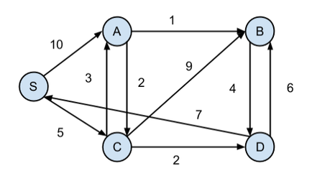
Arcs
From | To | On Route | Distance | Nodes | Net flow | S/D
A | B | 0 | 1 | A | 0 | 0
A | C | 0 | 2 | B | 0 | 0
B | D | 0 | 4 | C | 1 | 0
C | A | 0 | 3 | D | 0 | 0
C | B | 0 | 9 | S | -1 | 0
C | D | 0 | 2
D | B | 0 | 6
D | S | 0 | 7
S | A | 0 | 10
S | C | 0 | 5

Total distance: |  | 0

Ford-Fulkerson
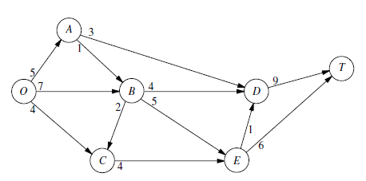
Arcs
From | To | On Route | Capacity | Nodes | Net flow | S/D
O | A | 0 | 5 | O | 0
O | B | 0 | 7 | A | 0 | 0
O | C | 0 | 4 | B | 0 | 0
A | B | 0 | 1 | C | 0 | 0
A | D | 0 | 3 | D | 0 | 0
B | C | 0 | 2 | E | 0 | 0
B | D | 0 | 4 | T | 0
B | E | 0 | 5
C | E | 0 | 4
D | T | 0 | 9
E | D | 0 | 1
E | T | 0 | 6

Maximum flow: |  | 0

